Sheet1


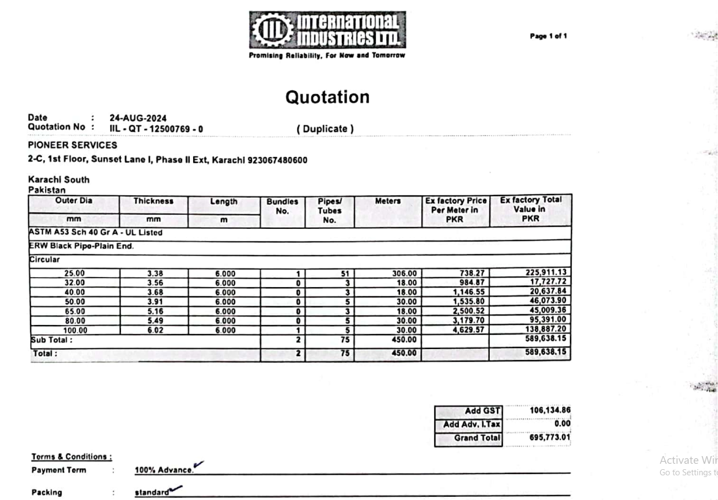

M/S International Industries Limited |  |  |  |  |  | 27-Aug-24

Att: Mr. Shahrukh Mehdi

PURCHASE ORDER

Supply of ERW Black Pipe Plain End for the project (Engro office 7th Floor DMC Karachi)
S No. | D e s c r i p t i o n | Qty | Unit | Mtr | Rate | Amount
1 | ERW Black pipe Plain End 25mm | 51 | LEN | 306 | 738.27 | 225,911.13
2 | ERW Black pipe Plain End 32mm | 3 | LEN | 18 | 984.87 | 17,727.66
3 | ERW Black pipe Plain End 40mm | 3 | LEN | 18 | 1,146.55 | 20,637.90
4 | ERW Black pipe Plain End 50mm | 5 | LEN | 30 | 1,535.80 | 46,074.00
5 | ERW Black pipe Plain End 65mm | 3 | LEN | 18 | 2,500.52 | 45,009.36
6 | ERW Black pipe Plain End 80mm | 5 | LEN | 30 | 3,179.70 | 95,391.00
7 | ERW Black pipe Plain End 100mm | 5 | LEN | 30 | 4,629.57 | 138,887.10
 |  | TOTAL: |  |  |  | 589,638
GST 18% |  |  |  |  |  | 106,135
Total amount |  |  |  |  |  | 695,773

for NATIONAL ENGINEERS COMPANY

